Sheet1
Row Labels | Sum of Total Amount | Row Labels | Sum of Total Amount
Jan | 177244 | Oct | 346480
Feb | 328006 | Nov | 46138
Mar | 908960 | Dec | 104620
Apr | 946327 | Jan | 177244
May | 510428 | Feb | 328006
Oct | 346480 | Mar | 908960
Nov | 46138 | Apr | 946327
Dec | 104620 | May | 510428
Grand Total | 3368203

purchase side pareto
Purchase Pareto Chart
 | Sum of Amount | cumulative revenue | % cumulative revenue
chocopaste | 329461.41 |  | 11%
sacarin | 258200 |  | 19%
Lily oil | 251648.25 |  | 27%
swtx | 203500 |  | 34%
mini chocobar wrappers | 187705 |  | 40%
glass cup | 104533.56 |  | 43%
suji | 92748 |  | 46%
jack | 91168 |  | 49%
pata | 85373 |  | 52%
cocont dst | 81375 |  | 54%
No.1 CMC | 74005.5 |  | 57%
citric | 71099 |  | 59%
37 pepsi roll | 67275 |  | 61%
50 lt pty | 67261.2 |  | 64%
stick | 60916 |  | 65%
orange wrappers | 60741 |  | 67%
bati cup | 53549.92 |  | 69%
No.1 suji | 51330 |  | 71%
40ml cup | 47634.81 |  | 72%
milkbar wrappers | 45795 |  | 74%
B.cornto set | 44920 |  | 75%
green mango wrappers | 41625.5 |  | 77%
C.cornto set | 40150 |  | 78%
James vanilla 500ml | 36830.85 |  | 79%
strawberry wrappers | 33075 |  | 80%
kulfi wrappers | 31155 |  | 81%
CMC | 30680 |  | 82%
bush orange oil | 28771.87 |  | 83%
Firmx | 27789 |  | 84%
Rpo oil | 25499.25 |  | 85%
peacock rabri SP | 25002.67 |  | 86%
pinapple wrappers | 24850 |  | 86%
spoon | 24200 |  | 87%
40ml lid | 24100 |  | 88%
A custr | 23099.09 |  | 89%
No.1 stick | 22384 |  | 90%
c top | 19870 |  | 90%
Cec Vanilla | 18501.62 |  | 91%
maza mango wrappers | 17150 |  | 91%
peacock orange MP paste 500ml | 14375.24 |  | 92%
B.top | 12570 |  | 92%
B custr yl | 11199.31 |  | 93%
milk flavour | 10932.09 |  | 93%
B custr wh | 10699.5 |  | 93%
rica oil | 10536.75 |  | 94%
peacock lichi doon | 9939.97 |  | 94%
29 pepsi roll | 9425 |  | 94%
Big chocobar wrappers | 8400 |  | 94%
jalzera wrappers | 8400 |  | 95%
milkbar L | 8225 |  | 95%
...
Row Labels | Sum of Quantity | Row Labels | Sum of Amount | % cumulative revenue
29 pepsi roll | 40 | chocopaste | 329461.41 | 11%
33 pepsi roll | 20 | sacarin | 258200 | 19%
37 pepsi roll | 260 | Lily oil | 251648.25 | 27%
40ml cup | 120 | swtx | 203500 | 34%
40ml lid | 220 | mini chocobar wrappers | 187705 | 40%
50 lt pty | 29 | glass cup | 104533.56 | 43%
A custr | 350 | suji | 92748 | 46%
allachi 100 | 4 | jack | 91168 | 49%
allachi 100 ml | 50 | pata | 85373 | 52%
allachi 500ml | 10 | cocont dst | 81375 | 54%
B custr wh | 200 | No.1 CMC | 74005.5 | 57%
B custr yl | 200 | citric | 71099 | 59%
B.cornto set | 160 | 37 pepsi roll | 67275 | 61%
B.top | 42 | 50 lt pty | 67261.2 | 64%
B/C spl | 3 | stick | 60916 | 65%
banana 100ml | 28 | orange wrappers | 60741 | 67%
banana 500ml | 10 | bati cup | 53549.92 | 69%
bati cup | 80 | No.1 suji | 51330 | 71%
bati lid | 21 | 40ml cup | 47634.81 | 72%
Big chocobar wrappers | 35 | milkbar wrappers | 45795 | 74%
bush orange oil | 62 | B.cornto set | 44920 | 75%
butter | 3 | green mango wrappers | 41625.5 | 77%
butterscoth | 12 | C.cornto set | 40150 | 78%
c top | 68 | James vanilla 500ml | 36830.85 | 79%
C.cornto set | 170 | strawberry wrappers | 33075 | 80%
c.jama | 5000 | kulfi wrappers | 31155 | 81%
Cec Vanilla | 29 | CMC | 30680 | 82%
chocopaste | 1868 | bush orange oil | 28771.87 | 83%
chutney compound | 4 | Firmx | 27789 | 84%
citric | 275 | Rpo oil | 25499.25 | 85%
CMC | 100 | peacock rabri SP | 25002.67 | 86%
coco P | 50 | pinapple wrappers | 24850 | 86%
cocont dst | 188 | spoon | 24200 | 87%
Firmx | 150 | 40ml lid | 24100 | 88%
g mango 100ml | 8 | A custr | 23099.09 | 89%
glass cup | 156.5 | No.1 stick | 22384 | 90%
Green mango 100ml | 34 | c top | 19870 | 90%
Green mango 500ml | 10 | Cec Vanilla | 18501.62 | 91%
green mango ess | 6 | maza mango wrappers | 17150 | 91%
green mango ess 100ml | 20 | peacock orange MP paste 500ml | 14375.24 | 92%
green mango wrappers | 174.9 | B.top | 12570 | 92%
J orange 100ml | 11 | B custr yl | 11199.31 | 93%
jack | 118 | milk flavour | 10932.09 | 93%
jalzera wrappers | 35 | B custr wh | 10699.5 | 93%
James orange 100ml | 5 | rica oil | 10536.75 | 94%
James vanilla 100ml | 40 | peacock lichi doon | 9939.97 | 94%
James vanilla 500ml | 111 | 29 pepsi roll | 9425 | 94%
kesari spl 100 gm | 10 | Big chocobar wrappers | 8400 | 94%
kulfi wrappers | 132 | jalzera wrappers | 8400 | 95%
L/Y spl | 9 | milkbar L | 8225 | 95%
L/Y spl 100 gm | 40 | coco P | 7620.15 | 95%
L/Y spl 500 gm | 2 | O/R spl | 7617.42 | 96%
lichi wrappers | 10 | butter | 7182 | 96%
Lily oil | 92 | c.jama | 7080 | 96%
Mango flavour | 10 | O stick | 6750 | 96%
maza mango wrappers | 70 | navlangur | 6561.6 | 96%
milk emulsion | 12 | Mango flavour | 6309.34 | 97%
milk ess | 16 | No.2 stick | 5600 | 97%
milk flavour | 16 | peacock gogia mist | 4895.08 | 97%
milkbar L | 35 | peacock mango MP 500 ml | 4890.11 | 97%
milkbar wrappers | 193 | L/Y spl | 4701.26 | 97%
mini chocobar wrappers | 805 | milk emulsion | 4560.94 | 97%
natraj brand apple green 500 gm | 6 | 33 pepsi roll | 4550 | 98%
navlangur | 3.5 | milk ess | 4213.5 | 98%
No.1 CMC | 175 | Oil orange sweet | 4200.8 | 98%
No.1 stick | 368 | Two babies brand orange red 500 gm | 3960.04 | 98%
No.1 suji | 150 | premium custurd powder 1 kg pack | 3780 | 98%
No.2 stick | 140 | allachi 100 ml | 3699.35 | 98%
O stick | 90 | allachi 500ml | 3614 | 98%
O/R spl | 10 | tower vanilla | 3516.4 | 98%
O/R spl 100gm | 20 | sampurna | 3030 | 99%
Oil orange sweet | 5 | butterscoth | 2958.02 | 99%
orange wrappers | 258.4 | Green mango 500ml | 2920.26 | 99%
pata | 300 | Two babies brand lemon yellow 500gm | 2880.03 | 99%
peacock gogia mist | 37 | Two babies brand orange red | 2880.03 | 99%
peacock lichi doon | 21 | banana 500ml | 2761.2 | 99%
peacock mango MP 500 ml | 32 | bati lid | 2730 | 99%
peacock orange MP paste 500ml | 95 | lichi wrappers | 2380 | 99%
peacock rabri SP | 51 | James vanilla 100ml | 2314.74 | 99%
pinapple wrappers | 105 | B/C spl | 2223.97 | 99%
premium custurd powder 1 kg pack | 75 | L/Y spl 100 gm | 2149.96 | 99%
R/R spl 100gm | 10 | Green mango 100ml | 2080.58 | 99%
rica oil | 3 | green mango ess | 1812 | 99%
rose 100 | 16 | chutney compound | 1726.12 | 100%
Rpo oil | 150 | banana 100ml | 1558.17 | 100%
sacarin | 307.5 | O/R spl 100gm | 1548.16 | 100%
sampurna | 6 | Two babies brand raspberry 500gm | 1427.99 | 100%
spoon | 440 | green mango ess 100ml | 1220 | 100%
stick | 1132 | J orange 100ml | 1150 | 100%
strawberry wrappers | 140 | natraj brand apple green 500 gm | 1127.99 | 100%
suji | 325 | rose 100 | 1064 | 100%
swtx | 450 | L/Y spl 500 gm | 1062 | 100%
tower vanilla | 20 | R/R spl 100gm | 962.76 | 100%
Two babies brand lemon yellow 500gm | 16 | James orange 100ml | 849.36 | 100%
Two babies brand orange red | 8 | Two babies brand raspberry red 1 kg | 815.99 | 100%
Two babies brand orange red 500 gm | 22 | kesari spl 100 gm | 542.8 | 100%
Two babies brand raspberry 500gm | 7 | g mango 100ml | 504 | 100%
Two babies brand raspberry red 1 kg | 2 | allachi 100 | 304 | 100%
(blank) |  | total | 3093962.48
Grand Total | 17038.8

pur price flactuation
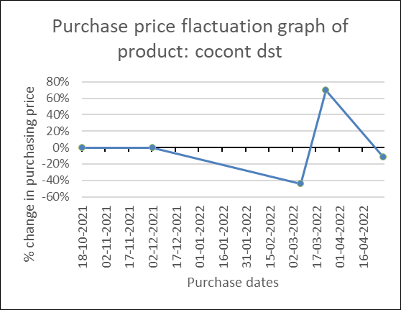
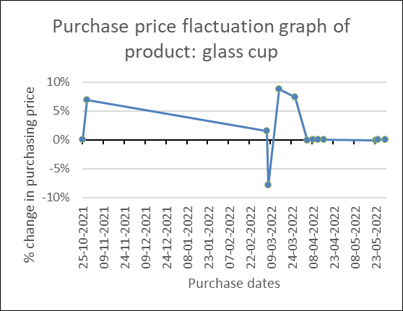
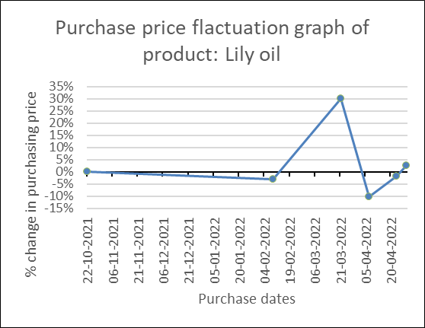
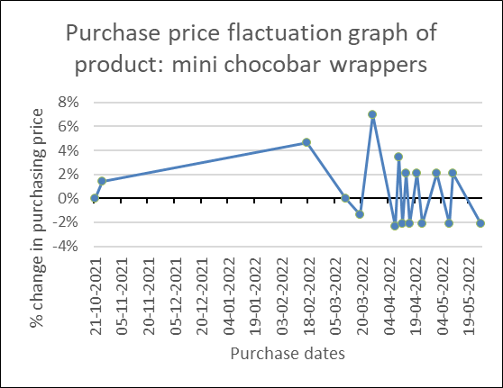
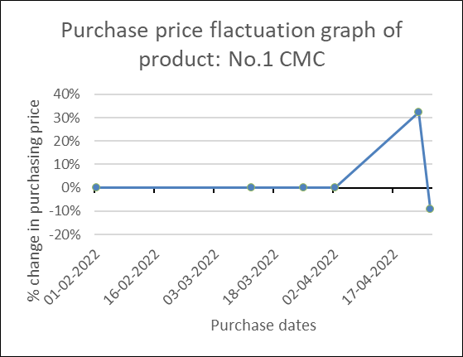
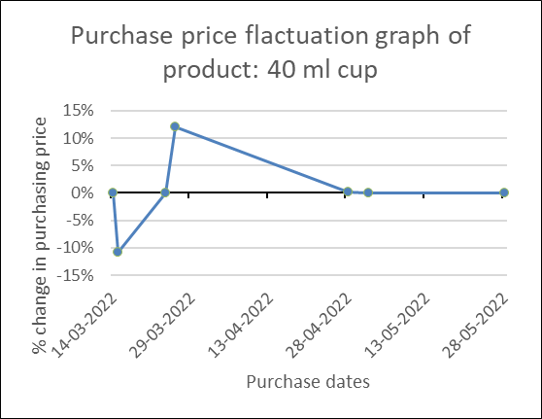
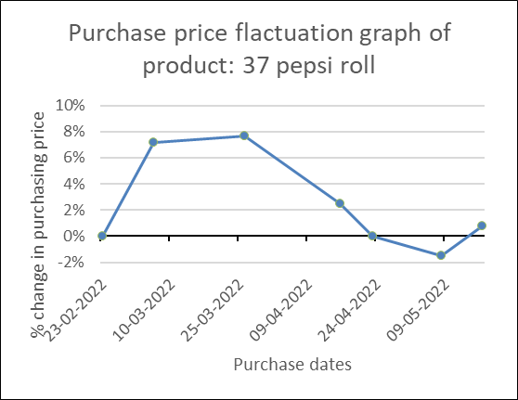

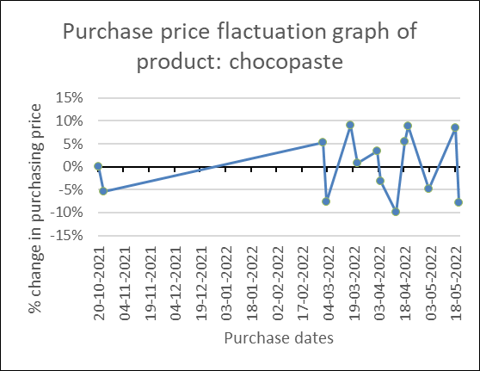
Purchase price flactuation graph of product: citric
 | 1 | 1 | 1

